BG 1
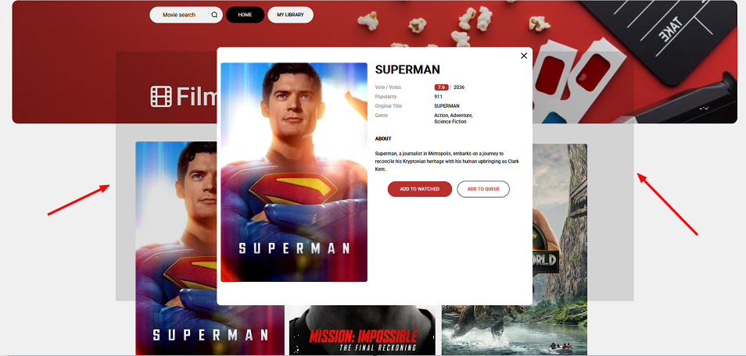
ID | FL-2245
Reporter: | Serhii Y. | Assignee: | Petro D. | Status: | New
Type: | UI/UX | Severity: | Trivial | Priority: | Lowest
Environment: | Windows 10 - 64-bit (22H2), Firefox (140.0.4) - 64-bit
Summary: | Bugged animation of window expansion when clicking on the movie window
Description:

Pre-conditions:
1 | https://goitstudentsworks.github.io/js_70_melvinsz/index.html

Steps to reproduce:
1 | Click on the window with the movie in the body.

Actual result:
Animation of expansion to screen window size.

Expected result:
Performing animation of expansion to the size of the movie preview window.

Attachments: | scrin1.png
Additional info:

BG 4
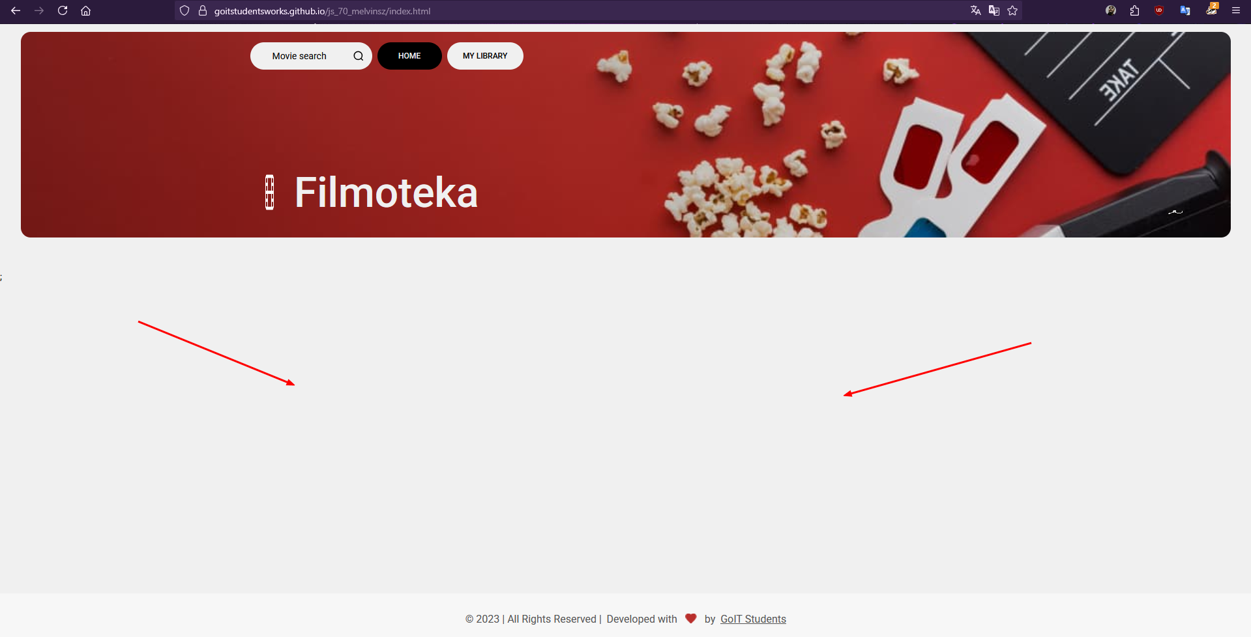
ID | FL-2248
Reporter: | Serhii Y. | Assignee: | Petro D. | Status: | New
Type: | Functional | Severity: | Major | Priority: | High
Environment: | Windows 10 - 64-bit (22H2), Firefox (140.0.4) - 64-bit
Summary: | The list of movies is not displayed when you first visit the site.
Description:

Pre-conditions:
1 | https://goitstudentsworks.github.io/js_70_melvinsz/index.html
2 | First visit to this site from a browser.

Steps to reproduce:
1 | Check the body of the site

Actual result:
Movies are not displayed on the website body

Expected result:
Movies are displayed on the website body

Attachments: | scrin4.png
Additional info:

BG 5
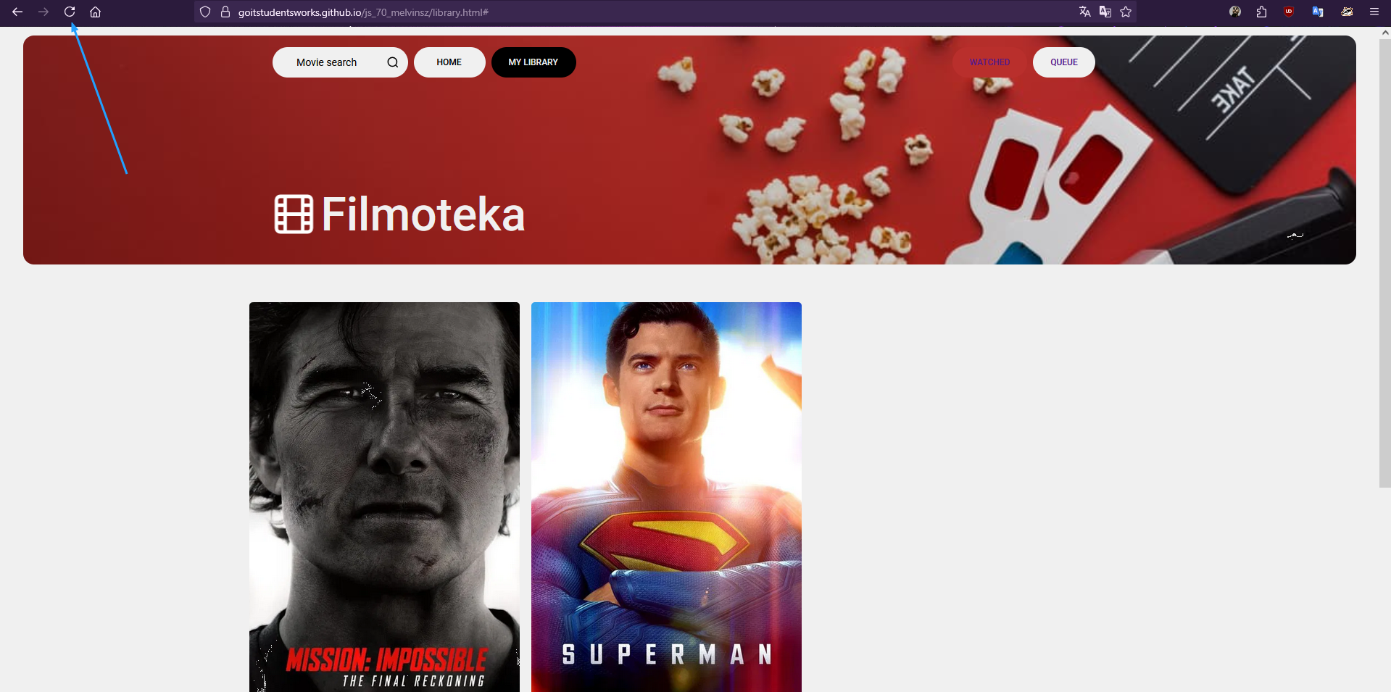
ID | FL-2249
Reporter: | Serhii Y. | Assignee: | Petro D. | Status: | New
Type: | Functional | Severity: | Major | Priority: | High
Environment: | Windows 10 - 64-bit (22H2), Firefox (140.0.4) - 64-bit
Summary: | Refreshing the page from the Watched list, it redirects to the queue page.
Description:

Pre-conditions:
1 | https://goitstudentsworks.github.io/js_70_melvinsz/library.html#
2 | At least one movie added to the list of watched movies.

Steps to reproduce:
1 | Refresh the page by pressing F5 on your keyboard.

Actual result:
The page refreshed and opened queue list page

Expected result:
The page refreshed and stayed on watched list page.

Attachments: | scrin5.png
Additional info:

BG 6
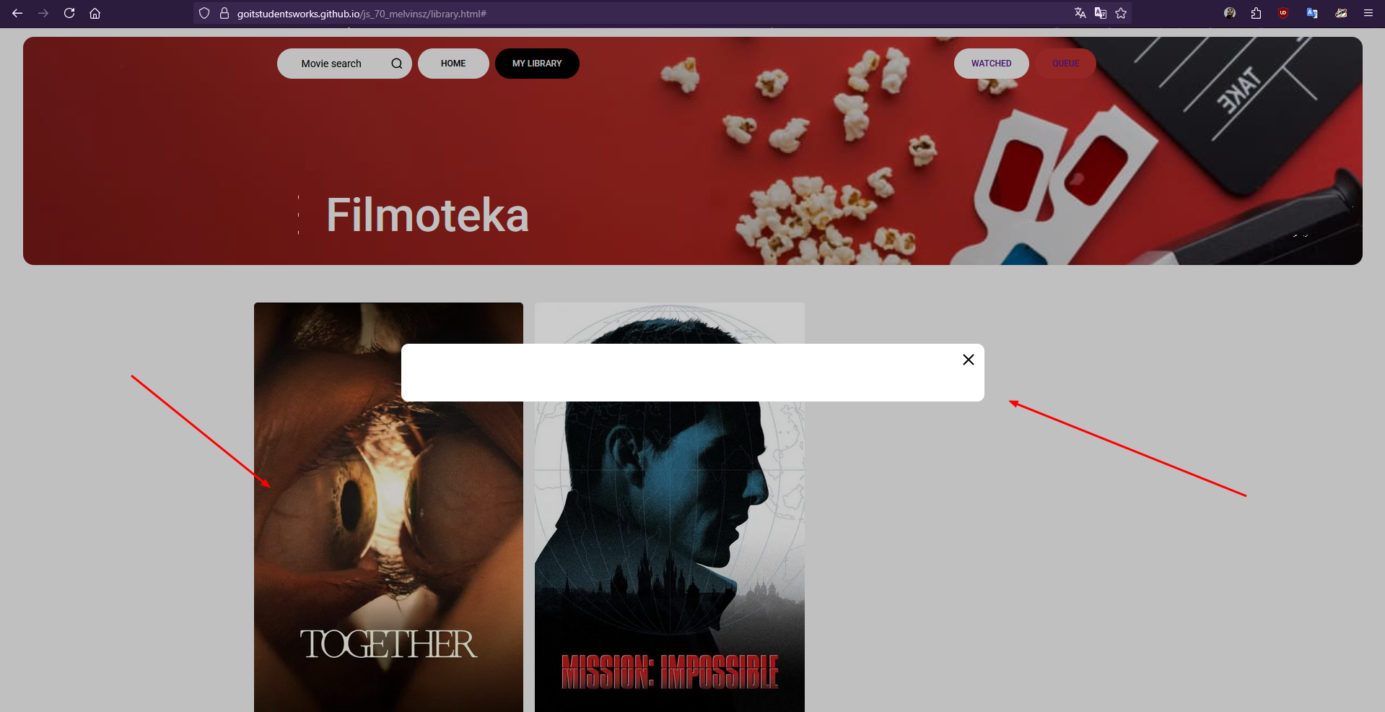
ID | FL-2250
Reporter: | Serhii Y. | Assignee: | Petro D. | Status: | New
Type: | Functional | Severity: | Major | Priority: | High
Environment: | Windows 10 - 64-bit (22H2), Firefox (140.0.4) - 64-bit
Summary: | Modal window preview of movie from watched list does not open fully
Description:

Pre-conditions:
1 | https://goitstudentsworks.github.io/js_70_melvinsz/index.html
2 | Movie "Together" (2025) added to watched list
3 | Movie "Mission: Impossible" (1996) added to watched and queue lists.
Steps to reproduce:
1 | Press on "My library" button
2 | Press on "Watched" on top right
3 | Press on movie "Together" (2025)

Actual result:
The preview window of the movie isn't fully opened

Expected result:
The preview window of the movie is fully opened.

Attachments: | scrin6.png
Additional info:

